Sheet1
 |  | Document No. |  | Issue No. | Issue Date |  | Review and Replace Date |  | Authorised By
 |  | GFF021MC |  | 5 | 03.10.2018 |  | 27.10.2022 |  | Magda Shah
 |  | Document Title |  | 12 Chilli Beef Tacos 168g
Document amendments reason for change |  | Film Updated |  |  |  | Previous Issue Date |  | 08.04.2022 | Uncontrolled copy unless signed original

CBTACB-R1TEB | BOOTHS - XMAS |  |  | 12 CHILLI BEEF TACOS 168g
STEP 1 |  |  |  |  |  | STEP 2
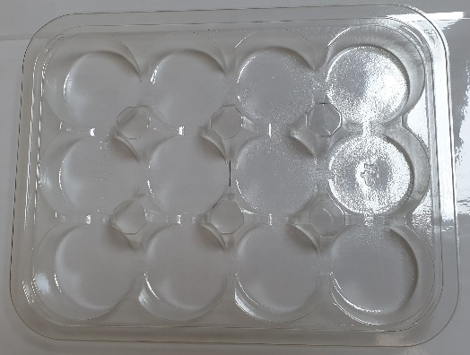

Tray: C5-12CAV-RND - CLEAR |  |  |  |  |  | IRIS Tartlet (RMPID001-01) 5g
Film: K-peel 7G+25A/f-275mm (PKKMP001-03)
STEP 3 |  |  |  |  |  |  | STEP 4
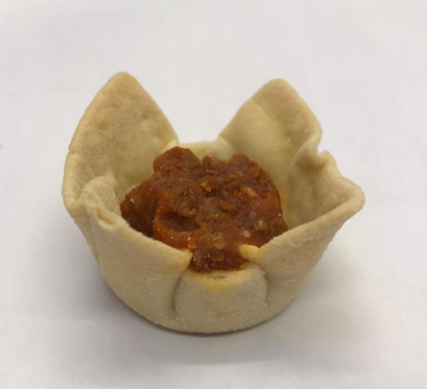 |  |  | 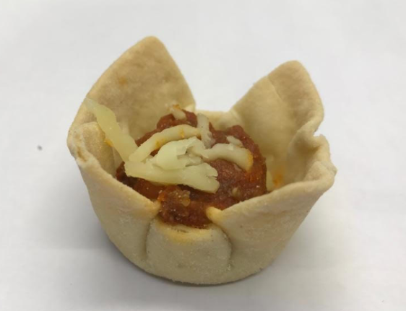 |  |  |  | 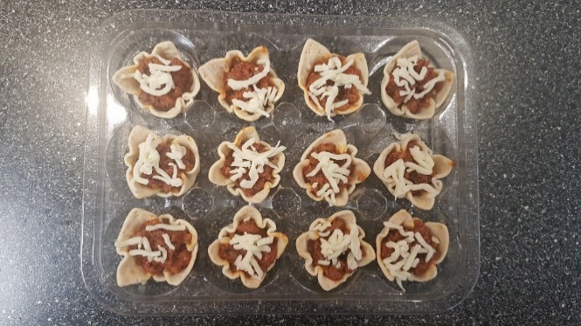

Chilli Beef Tacos Mix (GFF209R) 8g |  |  | Grated Mozzarella Cheese (RMHAB001-04) 1g |  |  |  | 12 x CHILLI BEEF TACOS |  | TOTAL WEIGHT: 168g

ALLERGY ALERT: BARLEY, MILK, WHEAT

